TestSummary
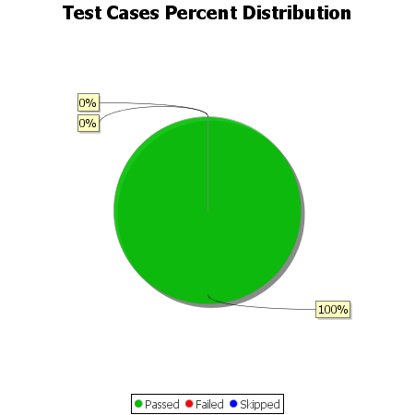
Total Test Cases | 13
Test Cases Passed | 13
Test Cases Failed | 0
Test Cases Skipped | 0

